Use_Case
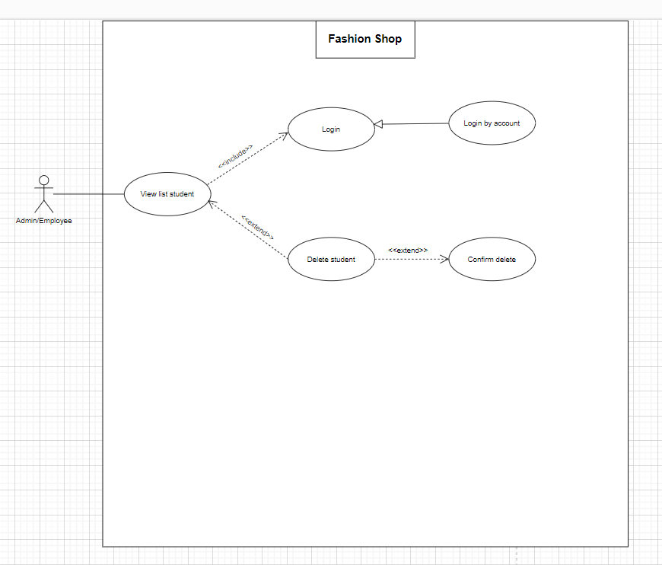
6.3.1.4 Màn hình sửa thông tin khách hàng
Màn hình xóa khách hàng

Class_Diagram
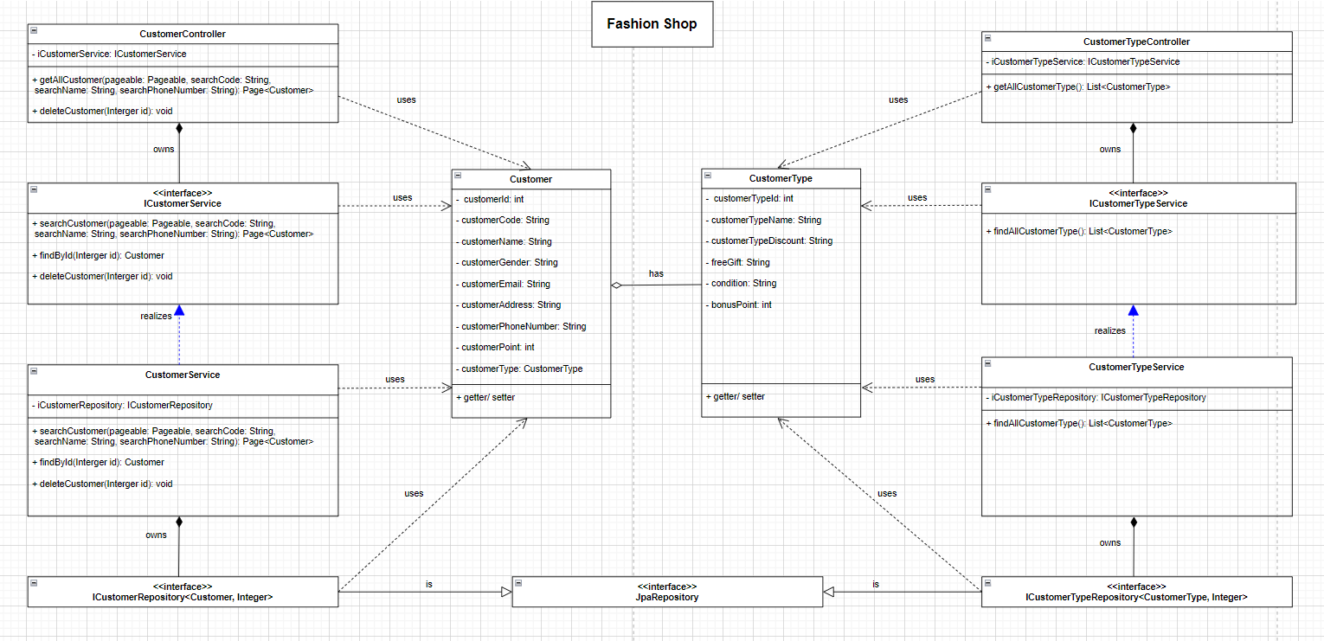
6.4.4 Chức năng quản lí khách hàng
Xóa khách hàng

Sequence_Diagram
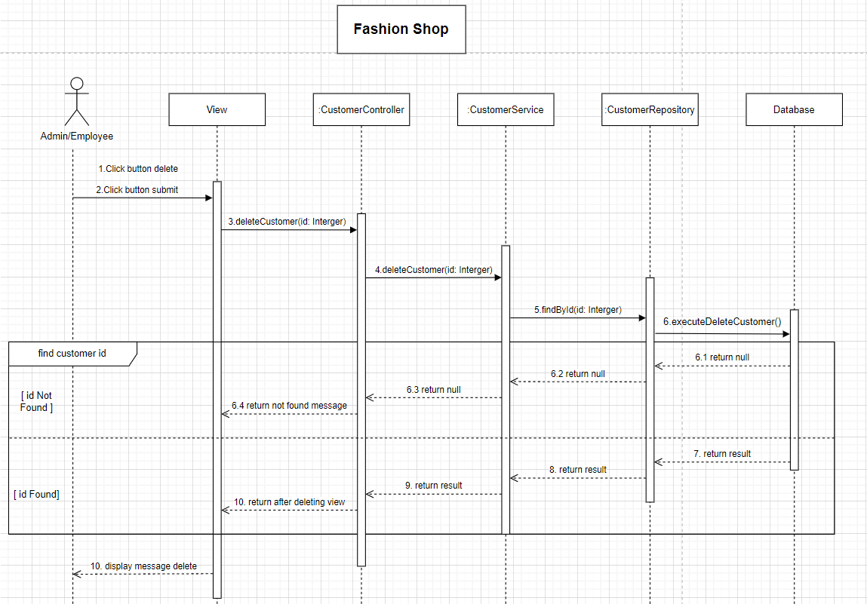
6.4.4 Chức năng quản lí khách hàng
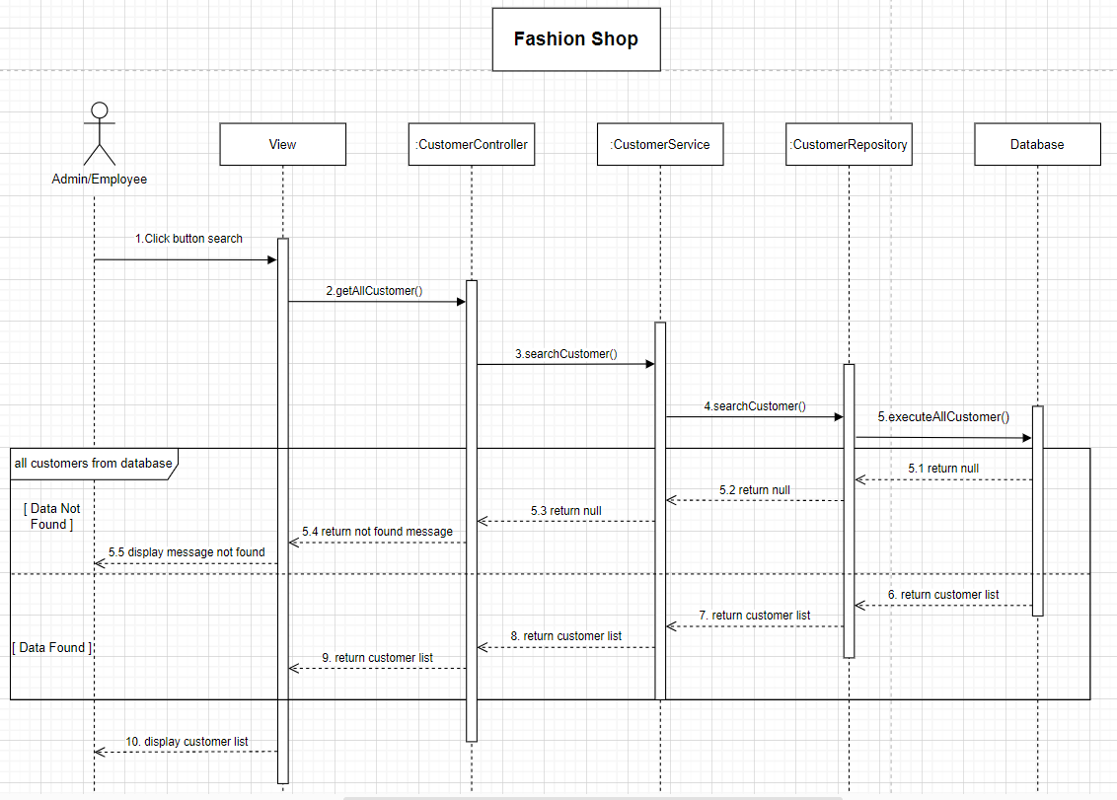

Xóa khách hàng

